MKJQ WILLY 7 21 0249
 |  |  |  | GOODS RECEIVED NOTE

Sender |  |  |  | Received Date
Mardiyana |  |  |  | 2021-09-27
Kp. Cikancung Blok.M |  |  |  | NO BA QC :
RT.04 RW.06 |  |  |  | BA-2021-379
Soreang-Bandung |  |  |  | Ship via |  |  | Plat Number
022-87787084
Mardiyanarahadian@yahoo.co.id
PO No. | Code | Item | Quantity DO | QC |  |  | Remarks
 |  |  |  | Pass | Reject | Total
MKJQ/WILLY/7/21/0249 | VIS-VS051700106000 | NOVA LANYARD (OLIVE) | 100 | 100 |  | 100
 |  |  |  | 100 | 0 | 100
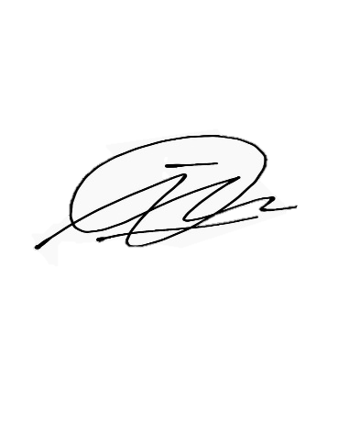

Notes
 |  |  | Received By |  |  | Checked By

 |  |  | Imam D |  |  | Imam D

 |  |  | Date |  |  | Date
 |  |  | 2021-09-27 |  |  | 2021-09-27
Perhatian :
Barang reject selambat-lambatnya harus diambil H+7 setelah BA QC keluar
Lebih dari itu barang sudah bukan tanggung jawab kami.

